Statistics
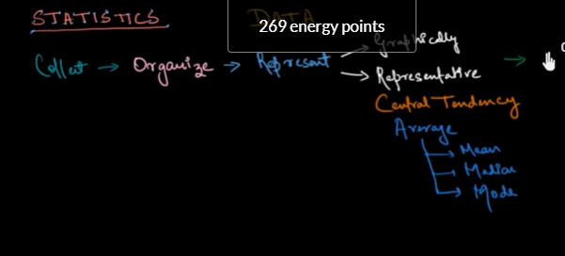
 |  |  | Bread and Butter of Predictive Modeling and Analytics

 |  |  | Central Tendencies
 |  |  | this gives an idea about the property of population saying where most of the values resides
this will happend only when given data in asending order and decending order |  |  |  |  |  |  |  |  |  | Debo | 82 |  |  | Rasneet | 88
 | Mean |  |  | it is the easiest matrix to talk about and communicate |  |  |  |  |  | 85 |  |  |  | 90
 |  |  |  | more prone to the outliers |  |  |  |  |  |  | 88 |  |  |  | 92
 |  |  |  |  |  | any extreme value - outlier
 |  |  |  |  |  |  |  | all details for statics
 | Median |  |  | median mean that middle value of the list
 |  |  |  |  |  |  |  |  |  |  |  |  |  |  | 1 STD - 69% of the data
 | Mode |  |  | mode is most common value or repeated value
 |  |  |  |  |  |  |  |  |  |  |  |  |  |  | 2 STD - ~ 94.5% of the overall data
 | Variance
 | Standard deviation |  |  |  |  |  |  |  |  |  |  |  |  |  | 3 STD - 99.7 % data

 | Normal Distribution
 |  |  |  |  |  |  |  |  |  |  |  |  |  |  | Mean + - 2.5 / 2.75/ 3 * STD
 | Percentle |  |  |  |  |  |  |  | 7 | Min
 | Quantile |  |  |  |  | 2 |  | 9 Mean |  |  |  |  |  |  |  | Q1 - 1.5 * IQR
 | Deciles |  |  |  |  |  |  |  | 11 | Max |  |  |  |  |  | Q3 + 1.5* IQR

 |  |  |  |  | 2.8919952219 | 0 | 4.670993665 |  |  |  |  |  |  |  |  |  | P1<
 |  |  |  |  |  |  |  |  |  |  |  |  |  |  |  |  | > P99
 | why statistics is important |  |  |  | Bike | Metro | Car
 | why analysis is important |  |  | D1 | 7 | 9 | 1
 |  |  |  | D2 | 6 | 9 | 3
 |  |  |  | D3 | 3 | 9 | 5
 |  |  |  |  | 8 | 9 | 7
 |  |  |  |  | 12 | 9 | 9 |  |  | Variancce
 |  |  |  |  | 9 | 9 | 9
 |  |  |  |  | 9 | 9 | 9 |  |  |  |  |  | Deviation of each from its Mean
 |  |  |  |  | 13 | 9 | 11
 |  |  |  |  | 13 | 9 | 13 |  |  | STD is the function of Variance |  |  |  |  | underoot of Variance
 |  |  |  |  | 9 | 9 | 15
 |  |  |  |  | 10 | 9 | 17
 |  |  |  | Mean | 9 | 9 | 9
 |  |  |  | Midean | 9 | 9 | 9
 |  |  |  | Mode | 9 | 9 | 9

 |  | IBM | 280 - 320 | 70%
 |  | CNBC | 290 - 295 | 55%
 |  | AAJtak | 250 - 350 | 80%

 |  | Kal Tak | 0 - 542 | 100%

 |  | Estimations and Hypothesis Testing |  |  |  |  | whenever you want to validate the 'Said statement or number' about the population

 |  |  |  |  |  |  | 50k
 |  | Types of statistics

 |  |  |  | Descriptive |  |  | Inferential
 |  |  | Univariate |  |  |  | Estimations
 |  |  | Bi Variate |  | Scatter Plot / Bar Plot |  | Hypothesis
 |  |  | Multivariate

Mean + - 1 * STD | 68%

Mean + - 1 * STD | 68% | Mean |  | Adv | Dis- Adv
Mean + - 2 * STD | 95.45 | Median |  | Median = Q2 = D5 = P50
Mean + - 3 * STD | 99.7 | Mode

 |  | Percentile |  | Dividing the data into 100 Parts
20: 80 rules |  | Decile |  | Divding the data into 10 Parts |  | D is denoted as |  |  |  | Q4 | 200000000
Pareto CHART… |  | Quartile |  | dividing the data into 4 parts |  |  |  |  |  |  | 18 |  |  | Q3
 |  |  |  |  |  |  |  |  |  |  | 15 |  |  | 14.75
 |  | Variance |  |  |  |  | P1 | P99 = 2% |  |  | Q3 | 14 |  | Median | Q2 - Quartile | Decile - D5 | Percentile - P50
 |  | Standard Deviation |  |  |  | outliers : mean +- 2 STD | 2.5 STD | 2.75 STD | 3 STD |  |  |  |  | 13 |  | 10.75 | 10.75 | 10.75 | 10.75
 |  |  |  |  |  |  | Q1/ Q3 +- 1.5*IQR |  |  |  | 11
 |  | Distribution |  |  | Bell Shaped Curve |  |  | IQR = Q3 - Q1 |  | Q2 | 10.5
 |  |  | Probability Distribution |  |  |  |  |  |  |  | 10.2 |  |  | Q1
 |  |  | Normal Distribution |  |  |  |  |  |  |  | 10 |  |  | 9.625
 |  |  |  |  |  | Confidence Interval |  |  |  | Q1 | 9.5
 |  | Central Limit Theorm |  |  | Correlation Vs Covariance |  |  |  |  |  | 9
 |  | P value |  | T test Z test Chi Square Anova |  |  | Inferential Statistics |  |  |  | 8
 |  | Alpha |  | Hypothesis Testing |  |  |  |  |  |  |  |  |  | 16666677.35
 |  | Univariate Analysis |  |  |  |  | Descriptive Statistics
 |  | Bi Variate Analysis
 |  | Multi Variate Analysis

 |  |  |  |  |  |  |  |  |  | D1 | High |  |  |  | V-hIGH
 |  |  |  |  |  |  |  |  |  | D2
 |  |  |  |  |  |  |  |  |  | D3
 |  |  |  |  |  |  |  |  |  | D4 |  |  |  |  | HIGH
 |  |  |  |  |  |  |  |  |  | D5 | Medium
 |  |  |  |  |  |  |  |  |  | D6 |  |  |  |  | Medium
 |  |  |  |  |  |  |  |  |  | D7
 |  |  |  |  |  |  |  |  |  | D8 |  |  |  |  | low
 |  |  |  |  |  |  |  |  |  | D9
 |  |  |  |  |  |  |  |  |  | D10 | Low |  |  |  | V- low

 |  |  |  |  |  |  |  |  |  |  | 0.75 | 0.5

 |  |  |  |  |  |  |  |  |  |  |  | 6

Estimation and Hypothesis
 |  | Recap

 |  | What is DS
 |  | Myths and Truths

 |  | Statistics
 |  | Types of Statistics
 |  |  | Descriptive |  |  |  | Infrerential Statistics
 |  |  |  | Univariate |  |  |  | Estimation
 |  |  |  | Bi Variate |  |  |  | Hypothesis Testing
 |  |  |  | Multivariate

 | What is Estimation |  |  |  | Premise of claim which we want to claim
 | Estimation is a process/ exercise with the help of which you will be using sample to estimate the population or to validate certain charactersticks
 | So, inferential statistics/ Hypotheisis testing is the process of Validating a certain statement about the population
 | Using Samples you are estimatng the population
 | This is being done by certain tests…. And all those tests are to be used under the mechanism of Hypothesis Testing
 |  |  | Z test | Hypothesis Testing
 |  |  | T test |  |  |  |  | One sample | Paired Sample | Independent Sample
 |  |  | Chi square
 |  |  | Anova

 | Where to use Estimation
 | Where to use Hypothesis Testing

 |  | Like: the average IQ of this Batch is 95

 |  | the average salary in your company is X
 |  | the average household income of indian family is 5k Rs
 |  |  | If I am taking a Sample -- Sample Mean could be 4.5 or 5.5

 | Hypothesis Testing

 | it’s a Test for estimating
 | whether to approve or Disapprove a particular Statement
 | the processs of collecting enough proof so that you have some surity to Reject or accpet the Given Anology

 |  |  |  |  |  |  | EXAMPLE | hypothesis Testing |  |  | step by step process to do the testing
 | Ho = [Null Hypothesis]
 |  | Generaly this gets of Equality |  |  | Sample Represents the Population |  |  |  |  |  |  | Sample Mean is equal to Popln Mean
 |  |  |  |  | Mean of the Sample is Coming same to mean of the population |  |  |  |  |  |  | S1 = P1 | S1 - P1 = 0 [Null]
 |  |  |  |  | Hence I can say that the Sample is actually coming from the popln

 | Ha # [ Alternate Hypothesis] |  |  |  | Ho= | 1.5l | Sm <> 5K

 |  |  |  |  | If you are unable to accept the NULL Hypothesis
 |  |  |  |  | Then you will go for Alternate Hypothesis

 | P is the probility |  |  |  | Alpha and P value |  |  |  | that the sample picked is actually representing the population
 |  | of what ???

 |  | if P is low --- > Null will GO |  |  |  | Reject the Null hypothesis |  |  |  | that means, there is very very less probability that the sample is from the population
 |  | if P is high --- > NULL will FLY |  |  |  | Not able to Reject the NULL Hypothesis

 |  | P value |  | if P is low > NULL will GO; If P is high( higher then 0.05) then NULL will FLY ( accept the NULL HYOTHESIS)
 |  | Hypothesis - NULL and Alternate |  |  | There is very high probability that the sample mean = population mean

 | You will be undergoing the estimating and will come to a conclusion ???
 |  | either you will accept Ho or you will reject Ho(accepting the alternative hypothesis)

 |  | Scope of error( types of Error)

Alpha | Type1 error ( False positive) |  | you have rejected the NULL Hypothesis but actually it was suppposed to be accpeted |  |  |  |  |  |  |  |  | Verdicting an Innocent Man, Guilty
 | Type2 error ( False negative) |  | you have accepted the NULL Hypothesis but actually it was suppposed to be rejected |  |  |  |  |  |  |  |  | Verdicting a culprit as Innocent

 |  | Which type of Error is more dangerous

 | Types of Hypothesis Tests for Estimations

 |  | Z Test | used to compare two Numeric Sample/ Continous Variable |  |  |  |  |  |  | N > = 30 |  | SD is Unknown or Known

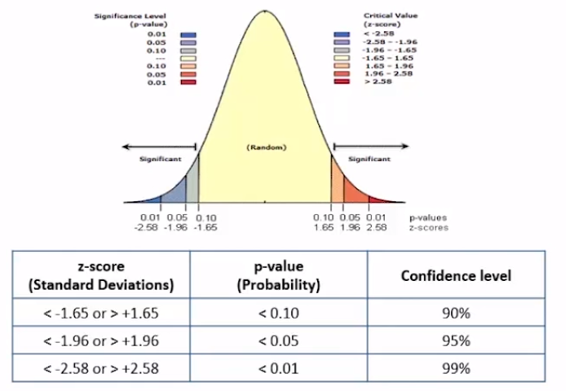
 |  | T Test | used to compare two Numeric Sample/ Continous Variable |  |  |  |  |  |  | N < 30 |  | SD is Unknown
 |  |  | Type of T Test
 |  |  | Paired Sample T Test |  | one grouped is sampled twice, before and after event
 |  |  | Independent Sample
 |  |  | One sample T Test
 |  | Chi Square
 |  | Anova

 |  |  | Axiiety level before |  |  |  | Axiiety level after the class
 |  |  | 85 |  | Stud1 |  | 89
 |  |  | 86 |  | Stud2 |  | 81
 |  |  | 87 |  | Stud3 |  | 83
 |  |  | 92 |  | Stud4 |  | 85

 |  |  | Independent Sample T Test
 |  |  | Old |  |  | New
 |  |  | 100 |  |  | 100

 |  |  | One Sample T Test
 |  |  |  | Comparing a Sample mean with the pre defined/ pre provided populatoin mean

 |  | Chi Square Test
 |  |  | whenever we have to compare two categorical Variables

 |  |  |  | Girls prefer Testing Jobs
 |  |  |  | Girls Prefer Pink Color

 |  | ANOVA - | Analysis of Variance

 |  |  | more then two numeric variables
 |  |  | comparison is done using Variance

 | What is Degree of Freedom

 |  | the degree to which extent a particular observation can vary
 |  | the number of values that are free to vary

 |  |  | P1 |  | n-1
 |  |  | P2
 |  |  | P3
 |  |  | P4
 |  |  | P5

P Value
P is low - NULL will GO |  | strong evevidence for rejecting NULL HYPOTHSEIS | the sample picked is having very less probability coming from the population

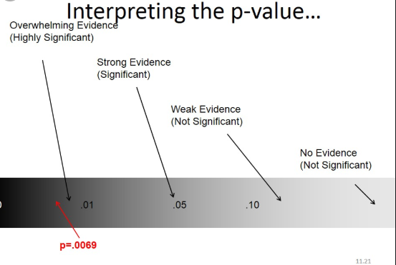
P is High - NULL will FLY |  | Weak evevidence for rejecting NULL HYPOTHSEIS

Level of significance is < 5% or P = 0.05

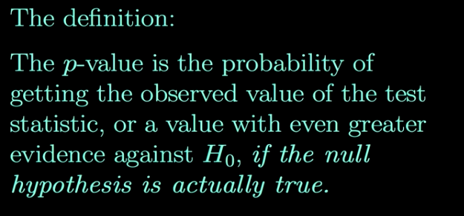

P value | if P is low > NULL will GO; If P is high( higher then 0.05) then NULL will FLY ( accept the NULL HYOTHESIS)
Hypothesis - NULL and Alternate |  | There is very high probability that the sample mean = population mean

R2 Derivation
stores | Marketing Spend | Sales | Predicted Sales - Y | Predicted Error( Based on Model) | Error 2 from the mean |  | Error square | APE
101 | 40 | 109 | 118.22 | 85 | 18 |  | 85 | 8% |  | APE
102 | 30 | 129 | 96.87 | 1033 | 248 |  | 1033 | 0.24910852713
103 | 25 | 100 | 86.19 | 191 | 176 |  | 191 | 0.1381
104 | 29 | 102 | 94.73 | 53 | 127 |  | 53 | 0.071274509804
105 | 33 | 89 | 103.27 | 204 | 588 |  | 204 | 0.16033707865
106 | 22 | 80 | 79.79 | 0 | 1106 |  | 0 | 0.0026875
107 | 64 | 160 | 169.46 | 89 | 2186 |  | 89 | 0.05909375
108 | 32 | 110 | 101.14 | 79 | 11 |  | 79 | 0.080590909091
109 | 52 | 140 | 143.84 | 15 | 716 |  | 15 | 0.027392857143
110 | 90 | 230 | 224.97 | 25 | 13631 |  | 25 | 0.021891304348
111 | 20 | 45 | 75.52 | 931 | 4658 |  | 931 | 0.67811111111
112 | 15 | 65 | 64.84 | 0 | 2328 |  | 0 | 0.0024615384615
 |  | 113.25 |  | 2704 | 25790 | MSE>>> | 225 | 13% | MAPE | Mean of APE
 |  |  |  | 225 |  | RMSE >> | 15.011265492
 |  |  |  |  |  |  | RMSE
 |  |  | R2 - Coefficeint of determination | Actuall - Predicted | 89.5%
 |  |  |  | Atuall Error

 |  |  | OLS

 |  |  | Actuall R2 | Adjusted R2

 |  |  | What is the Difference B/w R2 and Adjust R2
 |  |  | What does that means if you have a significant difference between R2 and Adjusted R2 (2 - 5%)

 |  |  | The increase of the R2 might be artificially increased with the inclusion of some insignificant Variables ( May be because of mnulticolloniearity)

 |  |  |  | Always, Adjusted R2 will be Lesser or Equal to R2

Assumption_Steps in Reg
Flow chart - Steps to follow for Predictive modeling [ regresssion ]

Bussiness Problem statement

step 1 - Convert the Bussiness problem into a mathematical Problem
 | Find the Y and X
 |  |  | Dependent ad Independent Variables

 | Making friend ship with the data after importing the data from the various sources…
Step 2 | Data Audit |  | EDA - Exploratory Data Analysis |  |  |  | Continous - MAX MIN Q1 Q2 Q3 P99 P1 RANGE | STD VAR | AVG |  |  |  |  |  | age | Location
 |  | Understand your Data |  |  |  |  | Categorical - Freq | MODE |  |  |  |  |  | 23 | Noida
 |  | Histograms | Scatter Plot |  |  |  |  | Univariate Bi Variate Multivariate |  |  |  |  |  | 34 | Delhi
 |  |  |  |  |  |  |  |  |  |  |  |  | 45 | Bangalroe
 |  | Missing values/ Outliers / Duplicates

Step 3 | Data Cleaning activities |  |  |  | Any Extreme Value : outliers |  |  |  |  |  |  |  | 23 | Noida
 |  | Outliers Treatment |  |  | Capping : >P99 | <P1 [ Mean + / - 2.5 STD/ 2.75STD/ 3STD] |  |  |  |  | Q1 - 1.5 * IQR | Q3 + 1.5 * IQR |  |  | 67 | Delhi
 |  | Missing Values Treatment |  |  | Deleting the rows | Impute that with Average or with Zero or KNN | Deleting the Column itself |  |  |  |  |  |  |  | 89 | Bangalroe
 |  | Duplicates |  |  |  |  |  |  |  |  |  |  | -23 | Bangalroe

 |  | Data Type conversions

 |  |  |  |  |  |  |  |  |  |  |  |  | 200 | Oregon
 | Preparing the data
 |  | Assumptions |  |  |  |  |  |  |  |  |  | 12
 | Important |  | 1- Y Should be normal |  |  | histogram |  |  |  |  |  | 23
 |  |  |  | If Y Is not Normal, You have to make it normal |  |  |  | Log transformations |  | or Log(Log())

 |  |  | 2- Y should not have any missing vlaues |  |  |  | Not to impute - but delete the entire ROW
 |  |  |  |  |  |  |  |  |  |  |  |  |  |  | outlier
 |  |  | 3- There must be a relation between Y and X |  |  |  |  |  | Correlation Matrix |  |  |  | What is ___
 |  |  |  |  |  |  |  |  |  |  |  |  | How ______ |  |  | DOB | AGE | DOJ | Tenure | Salary | Tax ( .10 of Salary)
 |  |  |  |  |  |  |  |  |  |  |  |  | Why to use ___
 |  |  | 4- There Must NOT be Any relationship between the X variables |  |  |  |  | internal relationship with the X variable |  |  |  |  | What are the Adv o f___
 |  |  |  | Multicollinearity in the data |  | Correlation should not be there |  |  |  |  |  |  | What are the Disadv ___
 |  |  |  |  | Corr() - for correlation Matrix |  |  |  |  |  |  |  | what if not using ?
 |  |  | Insignificant variables to be removed |  |  |  |  |  | NUANCES/ NOISE IN THE DATA
 |  | https://bit.ly/36eBchy | lasso | Regularization - Lasso | Ritz |  | Variable Reduction Tech Feature Selection
 |  |  |  | P value in linear reg model |  |  |  | *** ** * . |  |  |  |  | Y = 2x1 - 3X2 + 3x3 |  | x2 = 3X1
 |  |  |  | Corr
 |  |  |  | STEPAIC | [ Backward | Forward | Both ] |  |  |  |  |  |  |  | Y = 2 x1 - 9 x1 + 3X3
 |  |  |  | VIF - Variance inflation Factor |  |  |  |  |  |  |  |  | y = - 7X1 + 3X3
 |  |  |  | FACTOR Analysis
 |  |  | 5- My data should not be heteroscedastic
 |  |  | I should have homoscedasticity in the data

 |  |  | If, with the increase in the value of X, the VArianCE in Y Is increasing - Heteroscedasticity

 |  |  | 6 - IF YOU PLOT THE ERROR CHART - IT SHOULD BE RANDOM ( It should not have pattern in the data)

 | Data Manipulations and Wrangling
 |  | Appending/ merging, sorting, aggregating, grouping, filtering, subseting, transforming

 | one final consolidated TABLE

 | Split the data into two parts |  |  | 60/ 40 | | 80/20 |70/30 | Training : TESting
 |  |  | Development |  |  | Validation
 |  |  | Training |  |  | Testing

 | You will buid the model on Training DATASET

 |  | after building the model, you will check/ fine tune the acccuracy of the model |  |  |  |  |  |  | R2 | Adj 2 | RMSE | MAPE
 |  | if it is less then expected, then you will further fine tune the data/ modeling methodology ITERATIVELY…
 | You will finalise the model

 | Validating the model on test data after fine tuning |  |  |  |  |  |  |  |  |  | Noise in the data.. Missing values. Additional irrrelevant variables + outliers

 | you got the final mathematical equation or output |  |  |  |  | Bs C

 | You will convert that mathematical output as

 |  |  |  |  | Bussiness Solution

 | Overall Model Evaluation Criteria | Performance Metrices for Linear Regression:

 |  | R2 |  | >60 | 90
 |  | Adjust R2 |  | https://www.statisticshowto.com/adjusted-r2/ | 82
 |  | F Statistics | | ANOVA
 |  | P Value |  |  |  |  |  |  |  | Training
 |  | RMSE |  |  |  | Pred Values Y |  | Actuall Y | Deciles | Step - 1 Do the deciling based on Pred Y | Deciling | Avg_Act_Sales | Avg_Pred Sales
 |  | MAPE |  |  |  |  |  |  | 1 | After that, Group the data on each decile | 1 | 56 | 55
 |  | Decile Analysis | Rank Ordering . |  |  |  |  |  |  | 2 | Avg_Act Y | Act_ Pred Sales | 2 | 58 | 60
 |  |  |  |  |  |  |  |  |  |  | 3 | 59 | 60
 |  |  |  |  |  |  |  |  |  | Testing | 4 | 61 | 62
 |  | Classification: |  |  |  |  |  |  |  | Step - 1 Do the deciling based on Pred Y | 5 | 63 | 64
 |  | Confusion Matrix |  |  |  | Logistics |  |  |  | After that, Group the data on each decile | 6 | 65 | 66
 |  |  | Accuracy |  |  | Concordance |  |  |  | Avg_Act Y | Act_ Pred Sales | 7 | 65 | 68
 |  |  | Precision |  |  | Discordance |  |  |  |  | 8 | 68 | 69
 |  |  | Sensitivity |  |  | Tie |  |  |  |  | 9 | 70 | 71
 |  |  | Specificity |  |  |  |  |  |  |  | 10 | 74 | 74

 |  |  | AUC ROC Curve

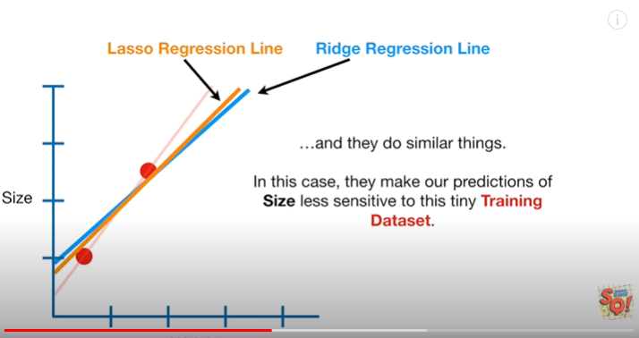

Agenda for Todays's Session

 | Practical Implementation:

Machine Learning
 | What is Machine learning |  |  |  |  |  |  | Why Machine Learning
 |  |  |  |  |  |  |  | How machine learning
 |  | Creating the algorithms which can learn by there own
 |  | this is the automation of later part of data mining
 |  |  |  |  | (pred Modeling)

 |  | Machine learning = Pred/ Stat Models - Rules and Assumptions

 |  |  |  | 1- ML is more about Prediction and its accuracy
 |  |  |  | 2- SM is more about relationship among the variables

 | Statistical Modeling |  |  |  |  |  |  |  | Machine is learning via training

Input |  | Rules and Assumptions |  |  | outcome |  |  | Input | training/ Expereince |  |  | outcome
 |  |  |  |  |  |  |  | output
 |  |  |  |  |  |  |  |  | Data >> training

 |  |  |  |  |  |  |  |  | Humans learns from the Expereinces
 |  |  |  |  |  |  |  |  | and gets evolved
 |  |  |  |  |  |  |  |  | training/ Expereince

 |  |  |  |  |  |  |  |  | real life situations >>> Expereinces

 | Types of Machine learning Algorithms

Y Target Variable is there | Supervised ML |  |  |  | labelled data is supervised |  |  | DT / RF? | K NN / classfication
DT |  | Regression
RF |  | Classification |  |  | DT RF KNN SVM ANN CNN

Y Tartget Variable is not there | Unsupervised ML |  |  |  | unlabelled one is unsupervised |  |  |  | K Means | Clustering
 |  | Semi Supervised

 | Reienforcement ML |  |  |  | Forcefully making your aglorithm to learn

 |  |  | Example : |  | Gaming |  |  |  |  |  |  | Let | ME | Know | for | any additional | information
 |  |  |  | Mobile Keypad type writer |  |  |  |  |  |  | Please
 |  |  |  |  |  |  |  |  |  |  | Pl | Feel | free | connect | Further
 |  |  | Reward and Punishment

 |  |  |  |  |  |  |  |  |  | Pl

 |  |  |  |  |  |  |  |  | planned | plant | plain

 |  |  |  |  |  |  |  |  |  | pl
 |  |  |  |  |  |  |  |  |  |  | Please

The most important aspect of Machine learning

In machine learning Models, we are training our data
 | (better you are training the data, better the outcome would be)

because of this methodology of training the data… I can have two scenerios

1- | You are trained way more then what it was expected - Over trained |  |  |  |  |  | Over Fitting |  |  |  |  |  |  |  |  |  |  | Regularization
 |  | your model is trained too well. Your model is actually trained too well to that extent that it is a problem for IT
 |  | a MTECH guy applying for BPO |  |  |  |  |  |  |  |  |  |  |  |  |  |  |  | Cross Validation
 |  | Practically, your model is trained too well
 |  |  |  | Your model as actually learnt data( observation )
 |  |  |  |  | it has learnt the each and every row + outliers in the training data set

 | Overfitting means your model is too specific
 | Over Fitting Leads to High Variation

 |  | Very high accuracy in training and high variance in prediction on Test

2- | You are not at all trained properly - under trained |  |  |  |  |  | Under Fitting

 |  | your model is too General

 |  |  | Goat
 |  |  | Tie the goat along with the Tree
 |  |  |  | Write the Complete essay on tree then

 |  |  | Under fitting leads to High Biasness - Error in the model

 | Biggest Trade off in using ML |  |  | Bias is equivalent to general policy making. Variance is equivalent to case studies

 |  |  | Bias- Variance Trade off

 |  |  | Under fitting
 |  |  |  | Model is too General
 |  |  | Biass | Poor Accuracy in predictions in the training data itself and poor accuracy in testing

 |  |  | Overfitting
 |  |  |  | Model is too specific
 |  |  | Variance | High Accuracy in Training but poor accuravy (Huge Variance) in Test Data

 | To Deal with the Over fitting |  |  |  |  |  |  | In statistical / PredictingModel |  |  |  |  |  | In Machine Learning Model |  |  |  |  |  |  | 1000

 |  | 1- Regularization |  | Lasso | Ritz.. |  |  |  |  |  |  |  |  |  |  |  |  |  |  |  | Validation | 100
 |  | 2- Cross Validation |  |  |  |  |  |  |  |  |  |  |  |  |  |  |  |  |  | Training
 |  |  | 1- Simple Cross Validation
 |  |  | 2- K fold Validation |  |  |  |  |  |  |  |  |  |  |  |  |  |  |  |  |  | 600
 |  |  | 3- LOO leave on out

 |  | 3- Ensembled Learning - Bagging | Boosting | Random Forest

 |  |  |  |  |  |  |  |  |  |  |  |  |  |  |  |  |  |  |  | Testing | 300

Simple Cross Validations: |  |  | 1000 Records
 | Training
 | Validation |  |  |  |  |  |  |  |  | Testing
 | 1000 | 1000 | 1000 | 1000 | 1000 | 1000 | 1000 |  |  | 3000

K Fold Validations: |  |  | 10000 Records
 | Training
 | Validation |  |  |  |  |  |  |  |  | Testing
1st K ( Step 1) | 1000 | 1000 | 1000 | 1000 | 1000 | 1000 | 1000 |  |  | 3000

 |  | Validation
2nd K ( Step 2) | 1000 | 1000 | 1000 | 1000 | 1000 | 1000 | 1000
 |  |  | Validation
3nd K ( Step 2) | 1000 | 1000 | 1000 | 1000 | 1000 | 1000 | 1000
 |  |  |  | Validation
4th k | 1000 | 1000 | 1000 | 1000 | 1000 | 1000 | 1000
 |  |  |  |  | Validation
5th K | 1000 | 1000 | 1000 | 1000 | 1000 | 1000 | 1000
 |  |  |  |  |  | Validation
6th K | 1000 | 1000 | 1000 | 1000 | 1000 | 1000 | 1000
 |  |  |  |  |  |  | Validation
7th K | 1000 | 1000 | 1000 | 1000 | 1000 | 1000 | 1000

Leave One Out: LOO
 | Testing | Training
 | 3000 | 1000 | 1000 | 1000 | 1000 | 1000 | 1000 | 1000

 |  | Testing
 | 1000 | 3000 | 1000 | 1000 | 1000 | 1000 | 1000 | 1000

 |  |  | Testing
 | 1000 | 1000 | 3000 | 1000 | 1000 | 1000 | 1000 | 1000

3- | Ensembled Machine Learning |  |  |  | Anology: Panel of 5 judges in Jury
 |  |  |  |  | taking the second opinion from the other 2 doctors
 |  |  |  |  |  |  |  |  |  |  |  |  |  |  |  |  |  |  | 1- Both Row level and Column level Sampling
 |  | our single ML Model is very much prone to the OVERFITTING |  |  |  |  |  |  |  |  |  |  |  |  |  |  |  |  | Horizontal + Vertical
 | Hence we thought of creating various ML models for our better accurate predictions and then we aggregate ( ensemble them) or there reslut
 |  |  |  |  |  |  |  |  |  |  |  |  |  |  |  |  |  |  | 2- The modeling is on DT
 |  |  |  |  |  |  |  |  | T1( 3 Variables ) |  |  |  |  | T1 ( 7 variables )
1 | Bagging |  | Bootstrapping + AGGregatING |  |  | (Random Forest) |  |  | 1 |  |  |  |  | 1
 |  |  | Regression |  | Average |  |  |  | 2 |  |  |  |  | 2
 |  |  | Classification |  | Majority Voting |  | 50 |  | 3 |  |  |  |  | 3
 |  |  |  |  |  |  | 35/ 15 |  | 4 |  |  |  |  | 4
 |  |  |  |  |  |  |  |  | Total 4 obs |  |  |  |  | Total 4 obs

 | [ Sampling with Replacement ] |  |  |  |  |  | Attrributes/ Columns will remain same |  |  |  |  |  |  | Attrributes

 |  |  |  |  |  |  | S3( 3 Variables) |  | S1( 3 Variables) |  | S2( 3 Variables ) |  |  | T1( 4 Variables) |  | T2( 6 Variables ) |  | S3( 5 Variables)
 |  |  |  |  |  |  | 3 |  | 1 |  | 1 |  |  | 1 |  | 1 |  | 3
 |  |  |  |  |  |  | 2 |  | 2 |  | 1 |  |  | 2 |  | 1 |  | 2
 |  |  |  |  |  |  | 2 |  | 2 |  | 2 |  |  | 2 |  | 2 |  | 2
 |  |  |  |  |  |  | 4 |  | 4 |  | 4 |  |  | 4 |  | 4 |  | 4
 |  |  |  |  |  |  | Total 4 obs |  | Total 4 obs |  | Total 4 obs |  |  | Total 4 obs |  | Total 4 obs |  | Total 4 obs

 |  |  | Homework
2 | Boosting |  | GBM |  | Gradient Boosting Methodology

 |  | Boosting is a FORWARD Moving Model building methodology
 |  | where first models missclassfication is used as an additional input to furhter evolove and create the second model and so on

 |  | Ultrasound Report

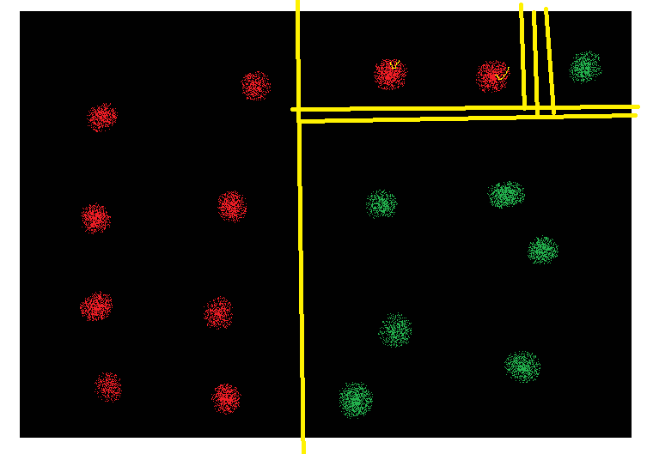

3 | Random Forest |  |  |  | Decision Tree |  | Classfification | Regression

Regularization
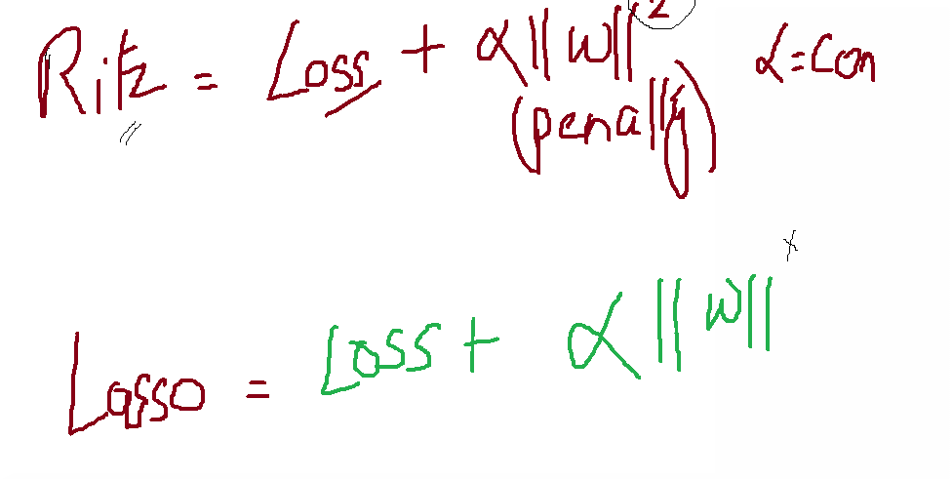
Regularization : it’s a process to scale down the Coficeints of the variables

 |  | Y = 0.9 + 1.2X1 + 20 X2 + 39 X3

 | To reduce the Model complexicity and reducing the scale of coffeiceint:

 | RitZ : | This is used for Reducind the calculation complexity:
 |  | The reduction in coeeffcient is happening to the extent that the coeffficeint will be supressed CLOSER to 0 but never be equal to 0

 | Lasso : | Feature Selection | Variable Reduction Technique along with simply reducing the Complexity
 |  | Coefficeint can be equal to 0

